Sheet2
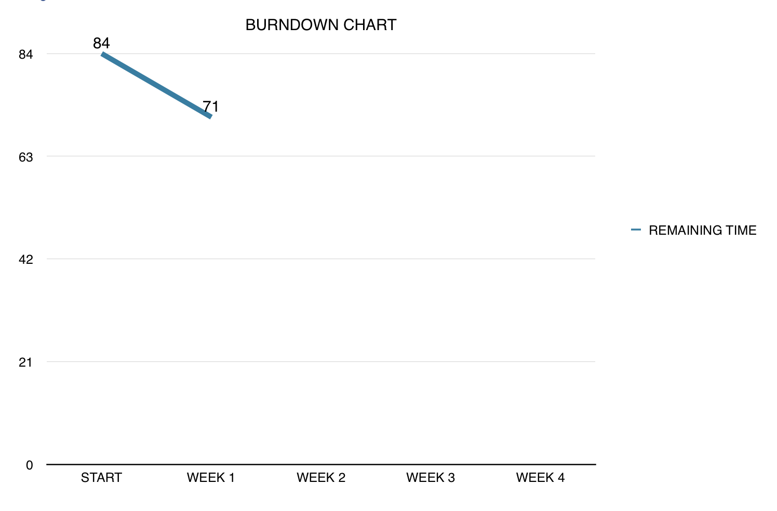
 |  | PRODUCT BACKLOG
ID | STORY | PRIORITY | TIME ESTIMATION(h) | STATUS
1 | Create project and set up environment | 1 | 5 | Finished
2 | Create main player | 2 | 8 | Finished
3 | Movement mechanics | 3 | 5 | Finished
4 | Create creatures | 4 | 9 | Not started
5 | Creatures movement mechanics | 5 | 8 | Not started
6 | Create weapons | 6 | 8 | Not started
7 | Handle shooting | 7 | 5 | Not started
8 | Handle collusion | 8 | 12 | Not started
9 | Game dinamics | 9 | 12 | Not started
10 | Extra features | 10 | 12 | Not started

 |  | SPRINT BACKLOG
ID | STORY | RESPONSIBLE PERSON | TIME ESTIMATION(h) | COMPLETED (%)
1 | Create project and set up environment | Turushan Aktay | 1 | 100 %
1.1 | Create controls | Turushan Aktay | 0.5 | 100 %
2 | Create Main Player | Begüm Tokuyucu | 1 | 100 %
2.1 | Create Healt Bar | Begüm Tokuyucu | 1 | 100 %
2.2 | Create Start screen | Pamir Çevikoğulları | 1 | 100 %
2.3 | Create game class | Oğuz Gelal | 0.5 | 100 %
2.4 | Create level complete screen | Oğuz Gelal | 1 | 100 %
2.5 | Create death screen | Oğuz Gelal | 0.5 | 100 %
2.6 | Create restart function | Oğuz Gelal | 0.5 | 100 %
2.7 | Create play option | Pamir Çevikoğulları | 1 | 101 %
2.8 | Create creature class | Begüm Tokuyucu | 0.5 | 100 %
2.9 | Create monsters | Begüm Tokuyucu | 0.5 | 100 %
3 | Create shooter class | Elvin Ege Şenoymak | 1 | 100 %
3.1 | Create and handle shooter weapon | Elvin Ege Şenoymak | 2 | 100 %
3.2 | Handle shooter movement mechanics | Elvin Ege Şenoymak | 1 | 100 %
3.3 | Shooter class methods | Elvin Ege Şenoymak | 0.5 | 100 %

